Sheet10
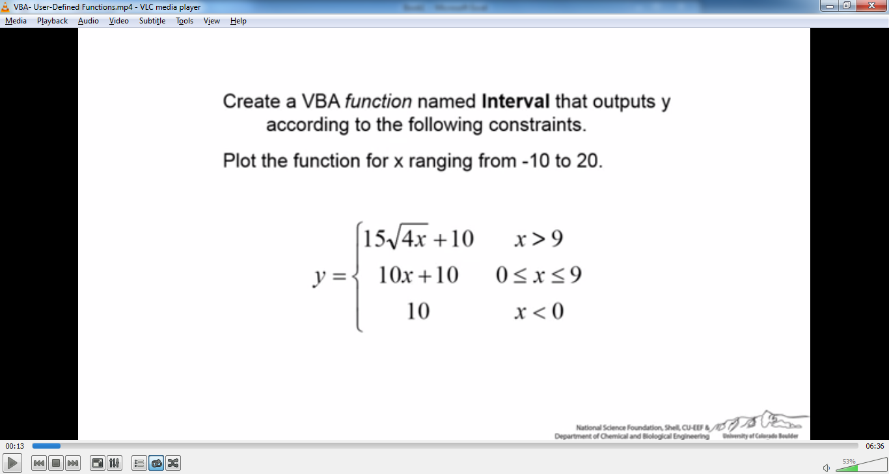
x
-10 | 10
8 | 90
-6 | 10
5 | 60
-2 | 10
0 | 10
2 | 30
4 | 50
6 | 70
8 | 90
10 | 104.86832981
12 | 113.92304845
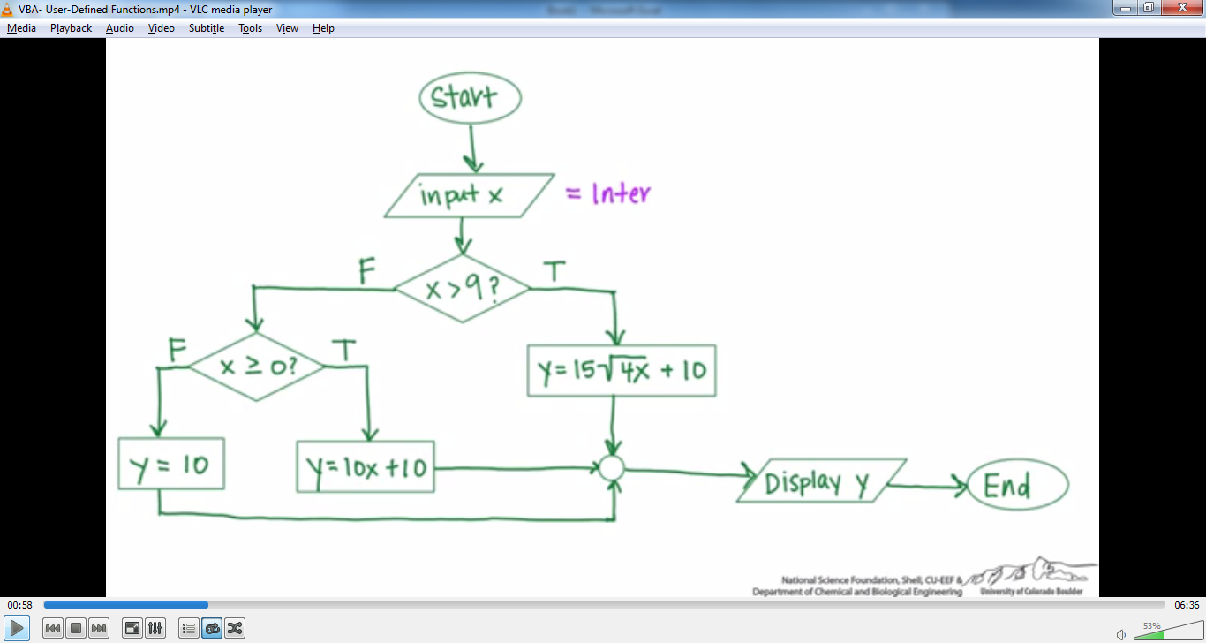
14 | 122.2497216
16 | 130
18 | 137.27922061
20 | 144.16407865

